Instructions
These racial equity tools have been designed to integrate explicit consideration of racial equity at key points in organizational decisions, including proposals, recruitment, programs, communications, procurements, and partnerships. When racial equity is not explicitly brought into operations and program design, racial inequities are likely to be perpetuated. The goal of these racial equity tools is to provide a structure and consistent checkpoints for institutionalizing the consideration of racial equity.

While the use of these tools can be an important step in operationalizing equity, they alone are not enough. These tools must sit within the organization’s vision and strategy and will require individual commitment by each staff member.

Each tool is comprised of 10 or fewer yes/no questions, with 1-3 open ended questions for consideration. Some tools have accompanying resources or helpful templates. These tools are meant to be both a product and a process. We intend to adapt them to the needs of our organization over time, and to reflect our evolving understanding of racial equity and best practices for its operationalization.
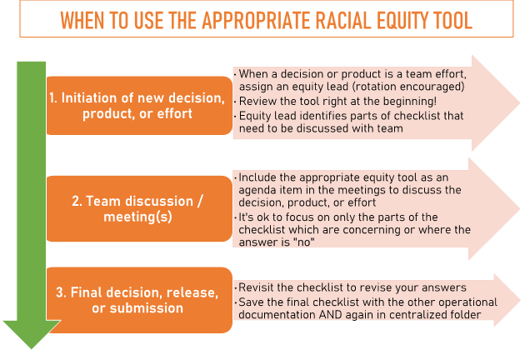

Usage Guidance
Where it exists, each tool should be incorporated into the pre-existing process and meeting structure.
These tools are designed to be the basis of a team discussion and inclusive decision-making process, not a formality completed in isolation (though one team member may manage the checklist and bring to the team for discussion).
These tools are best used actively throughout the process; early, at key decision points, and as an after action review at the conclusion of the process. It’s ideal if the answers change over the course of the development of the program, communications product, recruitment effort, etc.—this means the tool is working!
Our goal is intentionally centering racial equity throughout our decision-making, not perfection. If every component of the tool cannot be a “yes”, consider how to mitigate the impacts and what we’d need to do to shift the organizational culture to do better in the next version or iteration.
There is not a score or a threshold for acceptability but a goal of continuous improvement and intentionality.
The tool questions are designed to be ordered with highest priorities at the top, but this is subjective and depends on the decision, product, or effort.

